WelGby Patten
welcome / goodbye
CH1
CH1_ByP
CH2
CH2_Alt
CH3
CH4
HSD1
HSD2
HW_OUT1
HW_OUT2

 |  | Welcome | Pattern1
 |  |  | CH1 |  |  |  |  |  |  | CH1_ByP |  |  |  |  |  | CH2 |  |  |  |  |  | CH2_Alt |  |  |  |  |  | CH3 |  |  |  |  |  | CH4 |  |  |  |  |  | HSD1 |  |  |  |  |  | HSD2 |  |  |  |  |  | HW_OUT1 |  |  | HW_OUT2
 |  | step | mode | OffsTiPm | ConTiPrm | LowBriPrm | UpperBriPrm |  | step | mode | OffsTiPm | ConTiPrm | LowBriPrm | UpperBriPrm | step | mode | OffsTiPm | ConTiPrm | LowBriPrm | UpperBriPrm | step | mode | OffsTiPm | ConTiPrm | LowBriPrm | UpperBriPrm | step | mode | OffsTiPm | ConTiPrm | LowBriPrm | UpperBriPrm | step | mode | OffsTiPm | ConTiPrm | LowBriPrm | UpperBriPrm | step | mode | OffsTiPm | ConTiPrm | LowBriPrm | UpperBriPrm | step | mode | OffsTiPm | ConTiPrm | LowBriPrm | UpperBriPrm | step | PWM | ConTiPrm | step | PWM | ConTiPrm
 |  | 1 | 0 | 0 | 255 | 0 | 0 |  | 1 | 0 | 0 | 0 | 0 | 0 | 1 | 2 | 30 | 56 | 0 | 100 | 1 | 0 | 0 | 0 | 0 | 0 | 1 | 0 | 0 | 20 | 0 | 0 | 1 | 2 | 78 | 108 | 0 | 100 | 1 | 0 | 0 | 0 | 0 | 0 | 1 | 0 | 0 | 0 | 0 | 0 | 1 | 0 | 0 | 1 | 0 | 0
 |  | 2 | 0 | 0 | 127 | 0 | 0 |  | 2 | 0 | 0 | 0 | 0 | 0 | 2 | 1 | 0 | 6 | 100 | 100 | 2 | 0 | 0 | 0 | 0 | 0 | 2 | 2 | 126 | 164 | 0 | 100 | 2 | 1 | 0 | 6 | 100 | 100 | 2 | 0 | 0 | 0 | 0 | 0 | 2 | 0 | 0 | 0 | 0 | 0 | 2 | 0 | 0 | 2 | 0 | 0
 |  | 3 | 2 | 0 | 54 | 0 | 100 |  | 3 | 0 | 0 | 0 | 0 | 0 | 3 | 3 | 0 | 30 | 0 | 100 | 3 | 0 | 0 | 0 | 0 | 0 | 3 | 1 | 0 | 2 | 100 | 100 | 3 | 3 | 0 | 30 | 0 | 100 | 3 | 0 | 0 | 0 | 0 | 0 | 3 | 0 | 0 | 0 | 0 | 0 | 3 | 0 | 0 | 3 | 0 | 0
 |  | 4 | 1 | 0 | 68 | 100 | 100 |  | 4 | 0 | 0 | 0 | 0 | 0 | 4 | 0 | 0 | 40 | 0 | 0 | 4 | 0 | 0 | 0 | 0 | 0 | 4 | 3 | 0 | 34 | 0 | 100 | 4 | 0 | 0 | 60 | 0 | 0 | 4 | 0 | 0 | 0 | 0 | 0 | 4 | 0 | 0 | 0 | 0 | 0 | 4 | 0 | 0 | 4 | 0 | 0
 |  | 5 | 0 | 0 | 0 | 0 | 0 |  | 5 | 0 | 0 | 0 | 0 | 0 | 5 | 2 | 126 | 192 | 0 | 100 | 5 | 0 | 0 | 0 | 0 | 0 | 5 | 2 | 110 | 148 | 0 | 100 | 5 | 2 | 126 | 164 | 0 | 100 | 5 | 0 | 0 | 0 | 0 | 0 | 5 | 0 | 0 | 0 | 0 | 0 | 5 | 0 | 0 | 5 | 0 | 0
 |  | 6 | 0 | 0 | 0 | 0 | 0 |  | 6 | 0 | 0 | 0 | 0 | 0 | 6 | 1 | 0 | 180 | 100 | 100 | 6 | 0 | 0 | 0 | 0 | 0 | 6 | 1 | 0 | 136 | 100 | 100 | 6 | 1 | 0 | 136 | 100 | 100 | 6 | 0 | 0 | 0 | 0 | 0 | 6 | 0 | 0 | 0 | 0 | 0 | 6 | 0 | 0 | 6 | 0 | 0
 |  | 7 | 0 | 0 | 0 | 0 | 0 |  | 7 | 0 | 0 | 0 | 0 | 0 | 7 | 0 | 0 | 0 | 0 | 0 | 7 | 0 | 0 | 0 | 0 | 0 | 7 | 0 | 0 | 0 | 0 | 0 | 7 | 0 | 0 | 0 | 0 | 0 | 7 | 0 | 0 | 0 | 0 | 0 | 7 | 0 | 0 | 0 | 0 | 0 | 7 | 0 | 0 | 7 | 0 | 0
 |  | 8 | 0 | 0 | 0 | 0 | 0 |  | 8 | 0 | 0 | 0 | 0 | 0 | 8 | 0 | 0 | 0 | 0 | 0 | 8 | 0 | 0 | 0 | 0 | 0 | 8 | 0 | 0 | 0 | 0 | 0 | 8 | 0 | 0 | 0 | 0 | 0 | 8 | 0 | 0 | 0 | 0 | 0 | 8 | 0 | 0 | 0 | 0 | 0 | 8 | 0 | 0 | 8 | 0 | 0
 |  | 9 | 0 | 0 | 0 | 0 | 0 |  | 9 | 0 | 0 | 0 | 0 | 0 | 9 | 0 | 0 | 0 | 0 | 0 | 9 | 0 | 0 | 0 | 0 | 0 | 9 | 0 | 0 | 0 | 0 | 0 | 9 | 0 | 0 | 0 | 0 | 0 | 9 | 0 | 0 | 0 | 0 | 0 | 9 | 0 | 0 | 0 | 0 | 0 | 9 | 0 | 0 | 9 | 0 | 0
 |  | 10 | 0 | 0 | 0 | 0 | 0 |  | 10 | 0 | 0 | 0 | 0 | 0 | 10 | 0 | 0 | 0 | 0 | 0 | 10 | 0 | 0 | 0 | 0 | 0 | 10 | 0 | 0 | 0 | 0 | 0 | 10 | 0 | 0 | 0 | 0 | 0 | 10 | 0 | 0 | 0 | 0 | 0 | 10 | 0 | 0 | 0 | 0 | 0 | 10 | 0 | 0 | 10 | 0 | 0

 |  | Goodbye | Pattern1
 |  |  | CH1 |  |  |  |  |  |  | CH1_ByP |  |  |  |  |  | CH2 |  |  |  |  |  | CH2_Alt |  |  |  |  |  | CH3 |  |  |  |  |  | CH4 |  |  |  |  |  | HSD1 |  |  |  |  |  | HSD2 |  |  |  |  |  | HW_OUT1 |  |  | HW_OUT2
 |  | step | mode | OffsTiPm | ConTiPrm | LowBriPrm | UpperBriPrm |  | step | mode | OffsTiPm | ConTiPrm | LowBriPrm | UpperBriPrm | step | mode | OffsTiPm | ConTiPrm | LowBriPrm | UpperBriPrm | step | mode | OffsTiPm | ConTiPrm | LowBriPrm | UpperBriPrm | step | mode | OffsTiPm | ConTiPrm | LowBriPrm | UpperBriPrm | step | mode | OffsTiPm | ConTiPrm | LowBriPrm | UpperBriPrm | step | mode | OffsTiPm | ConTiPrm | LowBriPrm | UpperBriPrm | step | mode | OffsTiPm | ConTiPrm | LowBriPrm | UpperBriPrm | step | PWM | ConTiPrm | step | PWM | ConTiPrm
 |  | 1 | 1 | 0 | 74 | 100 | 100 |  | 1 | 0 | 0 | 0 | 0 | 0 | 1 | 1 | 0 | 186 | 100 | 100 | 1 | 0 | 0 | 0 | 0 | 0 | 1 | 1 | 0 | 140 | 100 | 100 | 1 | 1 | 0 | 140 | 100 | 100 | 1 | 0 | 0 | 0 | 0 | 0 | 1 | 0 | 0 | 0 | 0 | 0 | 1 | 0 | 0 | 1 | 0 | 0
 |  | 2 | 3 | 0 | 46 | 0 | 100 |  | 2 | 0 | 0 | 0 | 0 | 0 | 2 | 3 | 0 | 58 | 0 | 100 | 2 | 0 | 0 | 0 | 0 | 0 | 2 | 3 | 0 | 32 | 0 | 100 | 2 | 3 | 0 | 32 | 0 | 100 | 2 | 0 | 0 | 0 | 0 | 0 | 2 | 0 | 0 | 0 | 0 | 0 | 2 | 0 | 0 | 2 | 0 | 0
 |  | 3 | 0 | 0 | 255 | 0 | 0 |  | 3 | 0 | 0 | 0 | 0 | 0 | 3 | 0 | 0 | 36 | 0 | 0 | 3 | 0 | 0 | 0 | 0 | 0 | 3 | 2 | 106 | 140 | 0 | 100 | 3 | 0 | 0 | 56 | 0 | 0 | 3 | 0 | 0 | 0 | 0 | 0 | 3 | 0 | 0 | 0 | 0 | 0 | 3 | 0 | 0 | 3 | 0 | 0
 |  | 4 | 0 | 0 | 129 | 0 | 0 |  | 4 | 0 | 0 | 0 | 0 | 0 | 4 | 2 | 126 | 160 | 0 | 100 | 4 | 0 | 0 | 0 | 0 | 0 | 4 | 1 | 0 | 6 | 100 | 100 | 4 | 2 | 126 | 160 | 0 | 100 | 4 | 0 | 0 | 0 | 0 | 0 | 4 | 0 | 0 | 0 | 0 | 0 | 4 | 0 | 0 | 4 | 0 | 0
 |  | 5 | 0 | 0 | 0 | 0 | 0 |  | 5 | 0 | 0 | 0 | 0 | 0 | 5 | 1 | 0 | 2 | 100 | 100 | 5 | 0 | 0 | 0 | 0 | 0 | 5 | 3 | 0 | 34 | 0 | 100 | 5 | 1 | 0 | 6 | 100 | 100 | 5 | 0 | 0 | 0 | 0 | 0 | 5 | 0 | 0 | 0 | 0 | 0 | 5 | 0 | 0 | 5 | 0 | 0
 |  | 6 | 0 | 0 | 0 | 0 | 0 |  | 6 | 0 | 0 | 0 | 0 | 0 | 6 | 3 | 0 | 30 | 0 | 100 | 6 | 0 | 0 | 0 | 0 | 0 | 6 | 0 | 0 | 152 | 0 | 0 | 6 | 3 | 0 | 26 | 0 | 100 | 6 | 0 | 0 | 0 | 0 | 0 | 6 | 0 | 0 | 0 | 0 | 0 | 6 | 0 | 0 | 6 | 0 | 0
 |  | 7 | 0 | 0 | 0 | 0 | 0 |  | 7 | 0 | 0 | 0 | 0 | 0 | 7 | 0 | 0 | 32 | 0 | 0 | 7 | 0 | 0 | 0 | 0 | 0 | 7 | 0 | 0 | 0 | 0 | 0 | 7 | 0 | 0 | 84 | 0 | 0 | 7 | 0 | 0 | 0 | 0 | 0 | 7 | 0 | 0 | 0 | 0 | 0 | 7 | 0 | 0 | 7 | 0 | 0
 |  | 8 | 0 | 0 | 0 | 0 | 0 |  | 8 | 0 | 0 | 0 | 0 | 0 | 8 | 0 | 0 | 0 | 0 | 0 | 8 | 0 | 0 | 0 | 0 | 0 | 8 | 0 | 0 | 0 | 0 | 0 | 8 | 0 | 0 | 0 | 0 | 0 | 8 | 0 | 0 | 0 | 0 | 0 | 8 | 0 | 0 | 0 | 0 | 0 | 8 | 0 | 0 | 8 | 0 | 0
 |  | 9 | 0 | 0 | 0 | 0 | 0 |  | 9 | 0 | 0 | 0 | 0 | 0 | 9 | 0 | 0 | 0 | 0 | 0 | 9 | 0 | 0 | 0 | 0 | 0 | 9 | 0 | 0 | 0 | 0 | 0 | 9 | 0 | 0 | 0 | 0 | 0 | 9 | 0 | 0 | 0 | 0 | 0 | 9 | 0 | 0 | 0 | 0 | 0 | 9 | 0 | 0 | 9 | 0 | 0
 |  | 10 | 0 | 0 | 0 | 0 | 0 |  | 10 | 0 | 0 | 0 | 0 | 0 | 10 | 0 | 0 | 0 | 0 | 0 | 10 | 0 | 0 | 0 | 0 | 0 | 10 | 0 | 0 | 0 | 0 | 0 | 10 | 0 | 0 | 0 | 0 | 0 | 10 | 0 | 0 | 0 | 0 | 0 | 10 | 0 | 0 | 0 | 0 | 0 | 10 | 0 | 0 | 10 | 0 | 0

 | 参数填写规则 |  | unit | min | max | 精度 | max | 备注
 |  | mode | - | 0 | 55 | 1 | 55
 |  | OffsTiPm | - | 0 | 126 | 2=20ms | 1260ms
 |  | ConTiPrm | - | 0 | 255 | 1=10ms | 2550ms | ConTiPrm≥OffsTiPm
 |  | LowBriPrm | % | 0 | 100 | 10 | 100%
 |  | UpperBriPrm | % | 0 | 100 | 10 | 100% | UpperBriPrm≥LowBriPrm

 | mode0：常灭 Mode1：常亮 Mode2：渐亮 Mode3：渐灭

Pictures
Picture name | PICTURE | Description
LED Temperature derating |  | There are five temperature thresholds which are considered as follows: Note: #N is the channel index (0 - 11).
ECU Temperature derating | 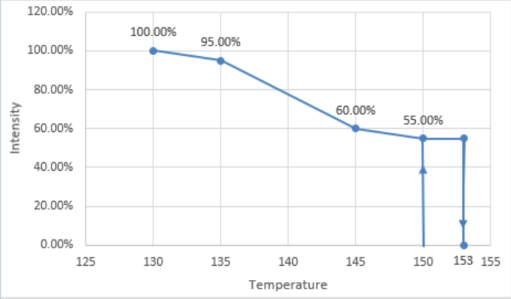 | There are five temperature thresholds which are considered as follows:
Supply High Voltage Derating | 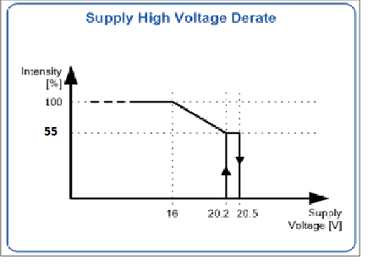 | There are three voltage thresholds which are considered as follows:
FAN: LED cooling | 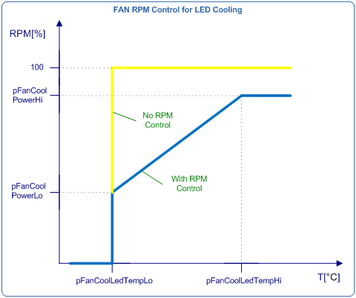 | If control pin is available and RPM control is allowed (pFanControlPin#n = "Yes [RPM allowed]"), then linear RPM control shall be performed between temperatures defined by parameters pFanCoolLedTempLo and pFanCoolLedTempHi. If control pin is not available or RPM control is not allowed (pFanControlPin#n = "No" or pFanControlPin#n = "Yes [RPM not allowed]"), then parameters pFanCoolLedTempHi, pFanCoolPowerLo and pFanCoolPowerHi shall be disregarded. The FAN shall be controlled ON/OFF.
FAN: Defogging | 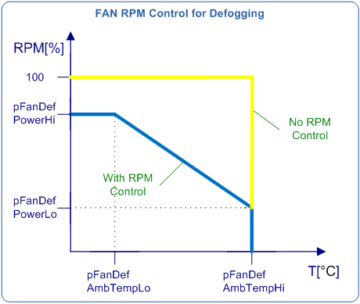 | If control pin is available and RPM control is allowed (pFanControlPin#n = "Yes [RPM allowed]"), then linear RPM control shall be performed between temperatures defined by parameters pFanDefAmbTempLo and pFanDefAmbTempHi. If control pin is not available or RPM control is not allowed (pFanControlPin#n = "No" or pFanControlPin#n = "Yes [RPM not allowed]"), then parameters pFanDefAmbTempLo, pFanDefPowerLo and pFanDefPowerHi shall be disregarded. The FAN shall be controlled ON/OFF.
FAN: Deicing | 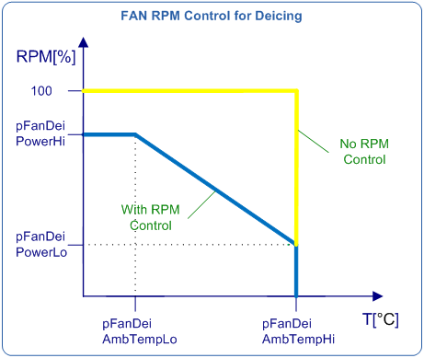 | If control pin is available and RPM control is allowed (pFanControlPin#n = "Yes [RPM allowed]"), then linear RPM control shall be performed between temperatures defined by parameters pFanDeiAmbTempLo and pFanDeiAmbTempHi. If control pin is not available or RPM control is not allowed (pFanControlPin#n = "No" or pFanControlPin#n = "Yes [RPM not allowed]"), then parameters pFanDeiAmbTempLo, pFanDeiPowerLo and pFanDeiPowerHi shall be disregarded. The FAN shall be controlled ON/OFF.
Motor pins polarity sequence | 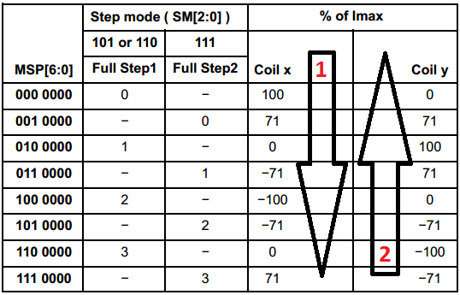 | This shows the relation between the signals sequence applied to motor pins and the beam direction. For leveling motor the sequence is coded by parameter pLvlPolSeq: - pLvlPolSeq = 1: sequence 1 shall move the beam downward; - pLvlPolSeq = 2: sequence 2 shall move the beam downward; For swiveling motor the sequence is coded by parameter pSvlPolSeq: - pSvlPolSeq = 1: sequence 1 shall move the beam leftward; - pSvlPolSeq = 2: sequence 2 shall move the beam leftward;
Usage of parameters: pLedMinIntensityPos pLedMinIntensityDrl pLedMinIntensityBeam | 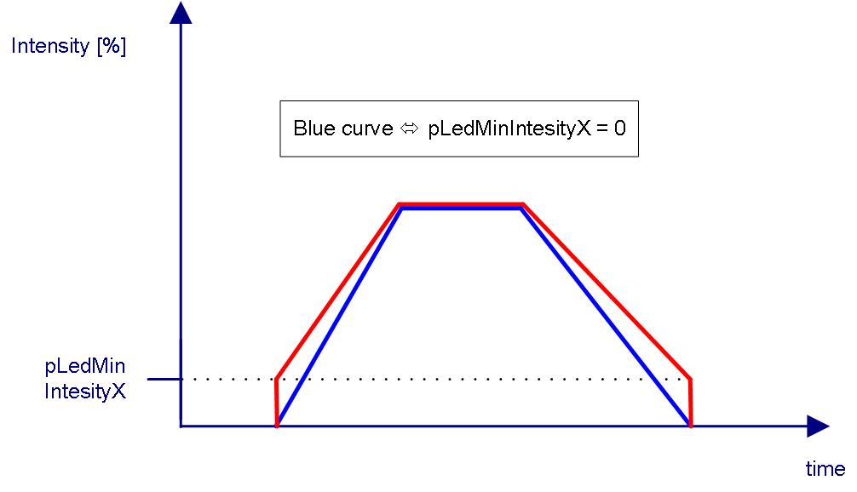 | The purpose of these parameters is to synchronise channels mapped on the same function in the range where intensity* is very low**. Within this range is possible that one channel ceases to lit while other channels still do. This is likely to happen when at least one channel uses a different LED type. A parameter define a minimum intensity level for all channels mapped on corresponding function. Considering that each channel has a intensity* threshold below which it does not lit, the value of the parameter must be slightly higher than the maximum of the thresholds. Example: position light; mapped on channels 5 and 6; channel 5 has threshold at 0.02%, channel 6 has threshold at 0.03% => pLedMinIntesityPos must be > 0.03%. The picture shows how a parameter affects output intensity when ramps are used. * - intensity is regarded from HCM point of view and translates into output current (combination of peak current and PWM duty cycle). ** - the peak current is set to minimum (100 mA), frequency is 125 Hz and on_time < 100 us.

